loan_amnt
Description | The listed amount of the loan applied for by the borrower. If at some point in time, the credit department reduces the loan amount, then it will be reflected in this value. |  |  |  |  | Analyst input
 |  |  |  |  |  | 1. The column values has a right skewed distribution with multiple peaks. 2. The column has outliers which neednot be treated since outliers has relevant information

level_0 | loan_status | 0 | level_0 | loan_status | 0
count | Charged Off | 268559 | count | Fully Paid | 1076751 | Analyst suggestion
mean | Charged Off | 15565.055444 | mean | Fully Paid | 14134.369808 | 1. Transform the data using box_cox transformation. 2. Develop a categorical feature based on the %ile distribution of loan_amnt column 3. This variable can be used both for clustering and prediction models
std | Charged Off | 8814.560077 | std | Fully Paid | 8669.0289732
min | Charged Off | 900 | min | Fully Paid | 500
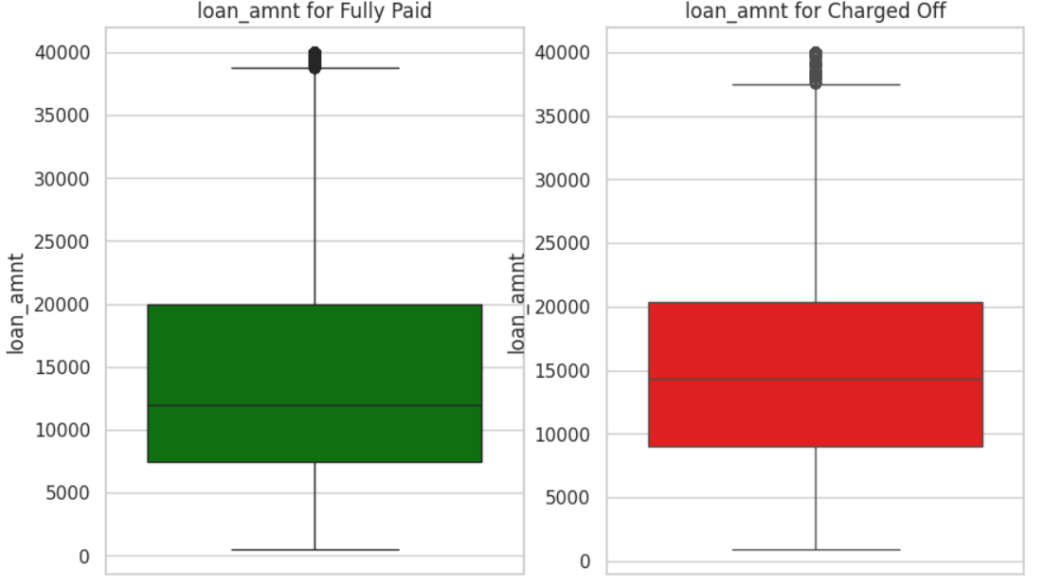
0% | Charged Off | 900 | 0% | Fully Paid | 500
25% | Charged Off | 9000 | 25% | Fully Paid | 7500
50% | Charged Off | 14350 | 50% | Fully Paid | 12000
75% | Charged Off | 20400 | 75% | Fully Paid | 20000 |  | Percentile distribution of the column
100% | Charged Off | 40000 | 100% | Fully Paid | 40000
max | Charged Off | 40000 | max | Fully Paid | 40000 |  | Percentile | Value | Difference | Buckets
median | Charged Off | 14350 | median | Fully Paid | 12000 |  | 0 | 500 | NaN | Low
 |  |  |  |  |  |  | 5 | 3200 | 2700 | Medium
 |  |  |  |  |  |  | 10 | 5000 | 1800
 |  |  |  |  |  |  | 15 | 5650 | 650
 |  |  |  |  |  |  | 20 | 6500 | 850
 |  |  |  |  |  |  | 25 | 8000 | 1500
 |  |  |  |  |  |  | 30 | 8700 | 700
 |  |  |  |  |  |  | 35 | 10000 | 1300
 |  |  |  |  |  |  | 40 | 10000 | 0
 |  |  |  |  |  |  | 45 | 11575 | 1575
 |  |  |  |  |  |  | 50 | 12000 | 425
 |  |  |  |  |  |  | 55 | 14000 | 2000 | High
 |  |  |  |  |  |  | 60 | 15000 | 1000
 |  |  |  |  |  |  | 65 | 16000 | 1000
 |  |  |  |  |  |  | 70 | 18000 | 2000
 |  |  |  |  |  |  | 75 | 20000 | 2000
 |  |  |  |  |  |  | 80 | 21000 | 1000
 |  |  |  |  |  |  | 85 | 24000 | 3000
 |  |  |  |  |  |  | 90 | 28000 | 4000 | Very High
 |  |  |  |  |  |  | 95 | 32875 | 4875
 |  |  |  |  |  |  | 96 | 35000 | 2125
 |  |  |  |  |  |  | 96.5 | 35000 | 0
 |  |  |  |  |  |  | 97 | 35000 | 0
 |  |  |  |  |  |  | 97.5 | 35000 | 0
 |  |  |  |  |  |  | 98 | 35000 | 0
 |  |  |  |  |  |  | 98.5 | 35000 | 0
 |  |  |  |  |  |  | 99 | 35000 | 0
 |  |  |  |  |  |  | 99.5 | 40000 | 5000
 |  |  |  |  |  |  | 100 | 40000 | 0

funded_amnt
Description | The total amount committed to that loan at that point in time. |  |  |  |  | Analyst input
 |  |  |  |  |  | 1. The column values has a right skewed distribution with multiple peaks. 2. The column has some outliers. 3. High correlation between 2 features loan_amnt and funded_amnt.

 |  |  |  |  |  | Analyst suggestion
level_0 | loan_status | 0 | level_0 | loan_status | 0 | Because of high positive correlation between loan_amnt and funded_amnt, drop this column
count | Charged Off | 268559 | count | Fully Paid | 1076751
mean | Charged Off | 15557.059808 | mean | Fully Paid | 14125.849732
std | Charged Off | 8810.9867346 | std | Fully Paid | 8664.9768627
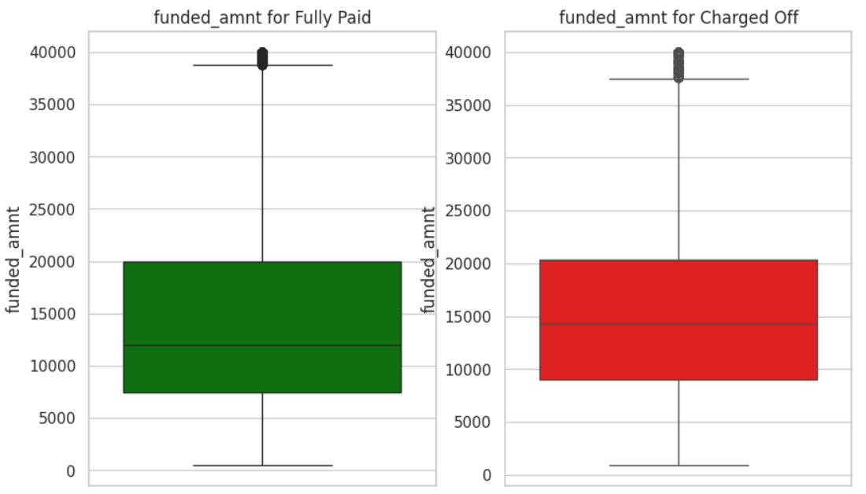
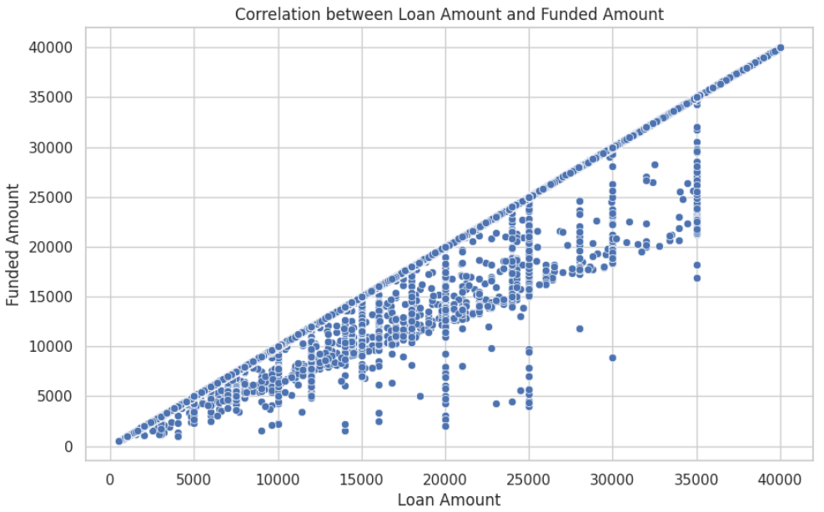
min | Charged Off | 900 | min | Fully Paid | 500
0% | Charged Off | 900 | 0% | Fully Paid | 500
25% | Charged Off | 9000 | 25% | Fully Paid | 7500
50% | Charged Off | 14325 | 50% | Fully Paid | 12000
75% | Charged Off | 20400 | 75% | Fully Paid | 20000
100% | Charged Off | 40000 | 100% | Fully Paid | 40000
max | Charged Off | 40000 | max | Fully Paid | 40000
median | Charged Off | 14325 | median | Fully Paid | 12000

funded_amnt_inv
Description | The total amount committed by investors for that loan at that point in time. |  |  |  |  | Analyst input
 |  |  |  |  |  | 1. The column values has a right skewed distribution with multiple peaks. 2. The column has some outliers. 3. These 2 variables are not fully corellated. The loan_amnt applied by customer and the amount committed to customers by investors are different in many cases.

level_0 | loan_status | 0 | level_0 | loan_status | 0
count | Charged Off | 268559 | count | Fully Paid | 1076751
mean | Charged Off | 15531.253071 | mean | Fully Paid | 14104.280646
std | Charged Off | 8814.7314766 | std | Fully Paid | 8667.151787 | Analyst suggestion
min | Charged Off | 0 | min | Fully Paid | 0 | 1. Transform the data using box_cox transformation. 2. This variable can be used both for clustering and prediction models
0% | Charged Off | 0 | 0% | Fully Paid | 0
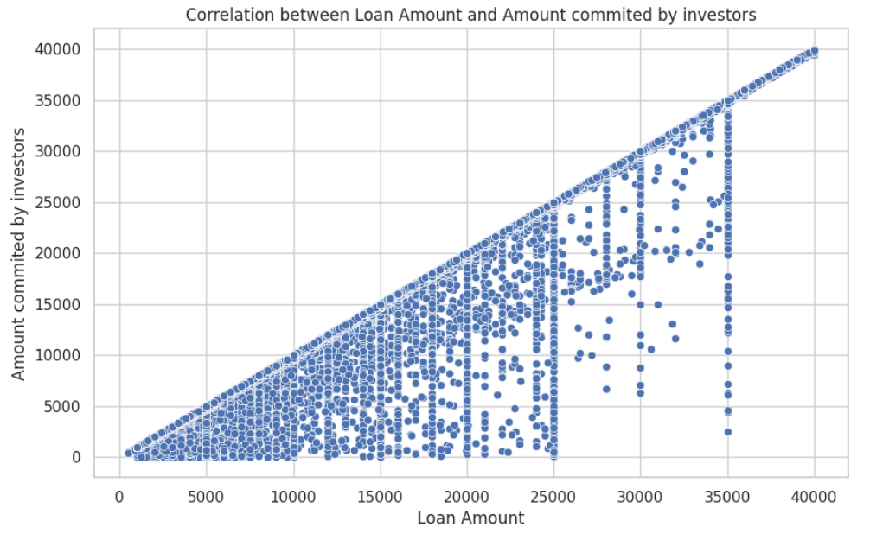
25% | Charged Off | 9000 | 25% | Fully Paid | 7500
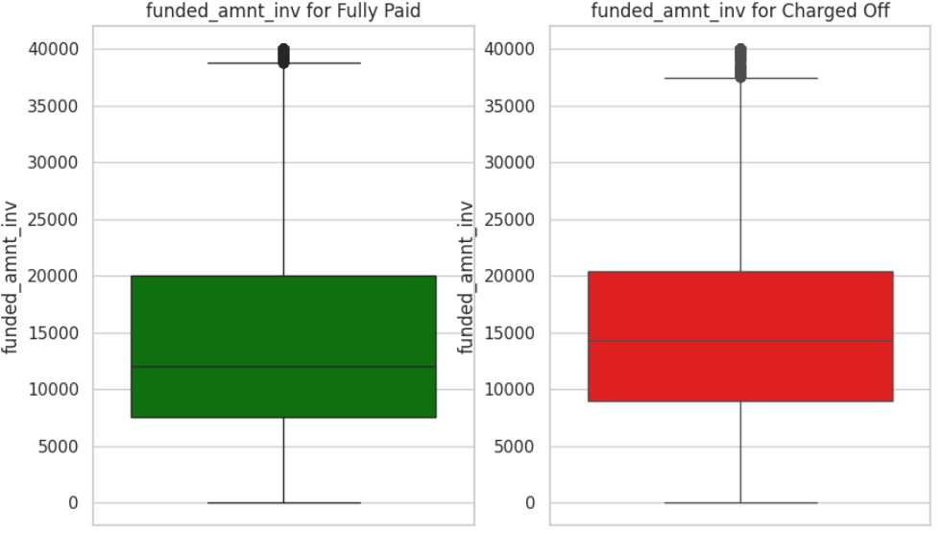
50% | Charged Off | 14250 | 50% | Fully Paid | 12000
75% | Charged Off | 20375 | 75% | Fully Paid | 20000
100% | Charged Off | 40000 | 100% | Fully Paid | 40000
max | Charged Off | 40000 | max | Fully Paid | 40000
median | Charged Off | 14250 | median | Fully Paid | 12000

term
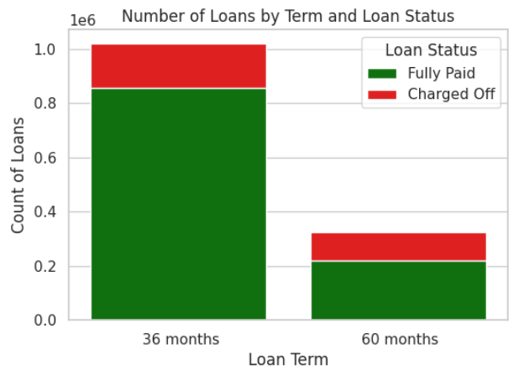
Description | The number of payments on the loan. Values are in months and can be either 36 or 60. |  | Analyst input
 |  |  | 1. The variable term is significant to determine if the borrower will have problem with paying the monthly EMI

 |  |  | Analyst suggestion
 |  |  | This variable can be used for prediction and clustering models.
term | loan_status | count
36 months | Fully Paid | 857491
60 months | Fully Paid | 219260
36 months | Charged Off | 163252
60 months | Charged Off | 105307

int_rate
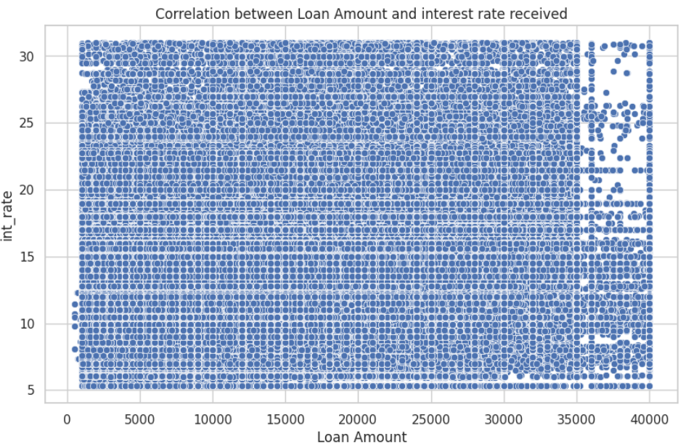
Description | Interest Rate on the loan |  |  |  |  | Analyst input
 |  |  |  |  |  | 1. The column values has a right skewed distribution with multiple peaks. 2. The column has some outliers. 3. The 2 variables: loan amount and interest rate are not corelated. 4. The % distribution of charged off loans rises with the rise of interest rates. Buckets of interest rates with difference of 5 % is created for the analysis. Further feature can be developed with such bins.

level_0 | loan_status | 0 | level_0 | loan_status | 0
count | Charged Off | 268559 | count | Fully Paid | 1076751
mean | Charged Off | 15.710713623 | mean | Fully Paid | 12.623288281
std | Charged Off | 4.9103869557 | std | Fully Paid | 4.5272273253
min | Charged Off | 5.31 | min | Fully Paid | 5.31 | Analyst suggestion
0% | Charged Off | 5.31 | 0% | Fully Paid | 5.31 | 1. Develop another feature as int_rate_bins. 2. Don’t drop the int_rate variable as well. Transform the variable using Box_cox transformation. While developing the model we can decide which one to drop and which one to keep.
25% | Charged Off | 12.29 | 25% | Fully Paid | 9.17
50% | Charged Off | 15.05 | 50% | Fully Paid | 12.23
75% | Charged Off | 18.55 | 75% | Fully Paid | 15.31
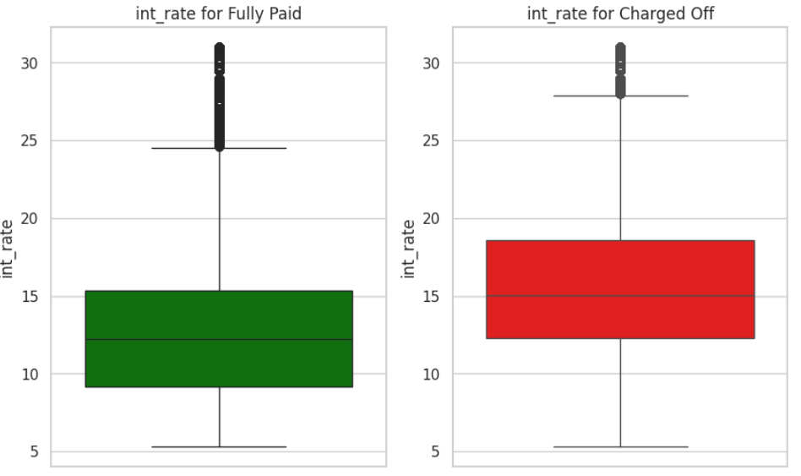
100% | Charged Off | 30.99 | 100% | Fully Paid | 30.99
max | Charged Off | 30.99 | max | Fully Paid | 30.99 |  | interest bins | Fully Paid | Charged Off | Fully paid % | Charged off %
median | Charged Off | 15.05 | median | Fully Paid | 12.23 |  | <=5% | - | - | - | -
 |  |  |  |  |  |  | >5% - <=10% | 344876 | 30657 | 91.84 | 8.16
 |  |  |  |  |  |  | >10% - <=15% | 450995 | 102966 | 81.41 | 18.59
 |  |  |  |  |  |  | >15% - <=20% | 217454 | 91238 | 70.44 | 29.56
 |  |  |  |  |  |  | >20% - >=25% | 49682 | 31111 | 61.49 | 38.51
 |  |  |  |  |  |  | >25% | 13744 | 12587 | 52.20 | 47.80

installment
Description | The monthly payment owed by the borrower if the loan originates. |  |  |  |  | Analyst input
 |  |  |  |  |  | 1. The column values has a right skewed distribution with multiple peaks. 2. The column has some outliers. 3. The 2 variables: loan amount and installment are not fully corelated.

level_0 | loan_status | 0 | level_0 | loan_status | 0
count | Charged Off | 268559 | count | Fully Paid | 1076751 | Analyst suggestion
mean | Charged Off | 465.14799392 | mean | Fully Paid | 431.32322618 | 1. Transform the data using box_cox transformation. 2. Develop a categorical feature based on the %ile distribution of installment column 3. This variable can be used both for clustering and prediction models
std | Charged Off | 262.77410558 | std | Fully Paid | 260.75956294
min | Charged Off | 21.62 | min | Fully Paid | 4.93
0% | Charged Off | 21.62 | 0% | Fully Paid | 4.93
25% | Charged Off | 275.29 | 25% | Fully Paid | 240.92
50% | Charged Off | 402.83 | 50% | Fully Paid | 368.26
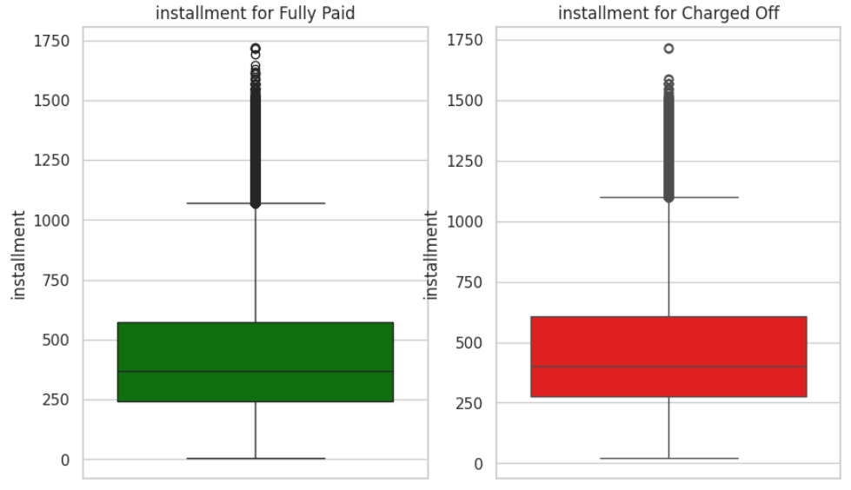
75% | Charged Off | 605.31 | 75% | Fully Paid | 573.06 |  | Percentile distribution of the column
100% | Charged Off | 1717.63 | 100% | Fully Paid | 1719.83
max | Charged Off | 1717.63 | max | Fully Paid | 1719.83 |  | Percentile | Value | Difference | Buckets
median | Charged Off | 402.83 | median | Fully Paid | 368.26 |  | 0 | 4.93 | NaN | Low
 |  |  |  |  |  |  | 5 | 108.73 | 103.8 | Medium
 |  |  |  |  |  |  | 10 | 157.59 | 48.86
 |  |  |  |  |  |  | 15 | 186.61 | 29.02
 |  |  |  |  |  |  | 20 | 216.83 | 30.22
 |  |  |  |  |  |  | 25 | 248.48 | 31.65
 |  |  |  |  |  |  | 30 | 273.3 | 24.82
 |  |  |  |  |  |  | 35 | 301.68 | 28.38
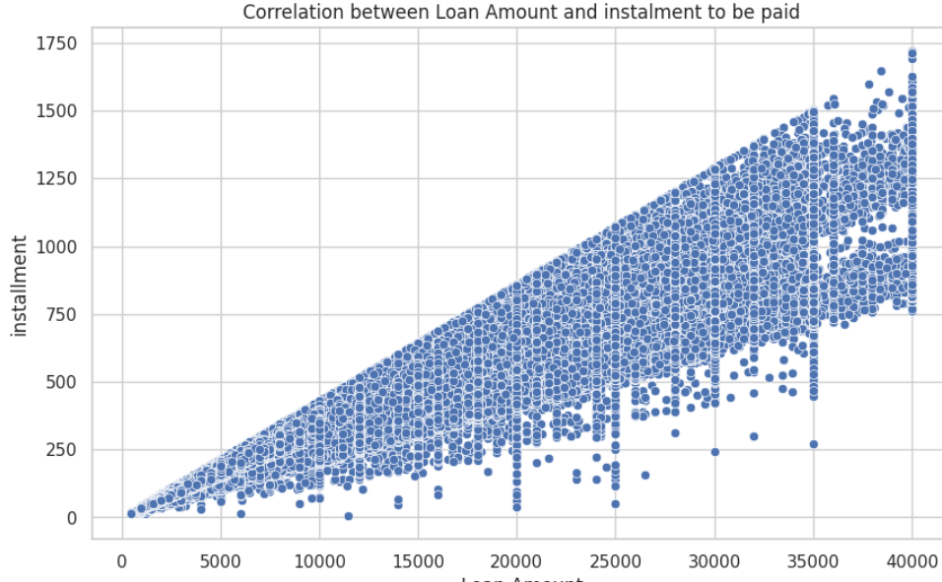
 |  |  |  |  |  |  | 40 | 324.61 | 22.93
 |  |  |  |  |  |  | 45 | 344.95 | 20.34
 |  |  |  |  |  |  | 50 | 375.43 | 30.48
 |  |  |  |  |  |  | 55 | 405.66 | 30.23
 |  |  |  |  |  |  | 60 | 451.73 | 46.07 | High
 |  |  |  |  |  |  | 65 | 487.49 | 35.76
 |  |  |  |  |  |  | 70 | 526.76 | 39.27
 |  |  |  |  |  |  | 75 | 580.73 | 53.97
 |  |  |  |  |  |  | 80 | 640.65 | 59.92
 |  |  |  |  |  |  | 85 | 707.7 | 67.05
 |  |  |  |  |  |  | 90 | 807.92 | 100.22 | Very High
 |  |  |  |  |  |  | 95 | 963.66 | 155.74
 |  |  |  |  |  |  | 96 | 1012.39 | 48.73
 |  |  |  |  |  |  | 96.5 | 1048.06185 | 35.67185
 |  |  |  |  |  |  | 97 | 1085.78 | 37.71815
 |  |  |  |  |  |  | 97.5 | 1115.6 | 29.82
 |  |  |  |  |  |  | 98 | 1153.67 | 38.07
 |  |  |  |  |  |  | 98.5 | 1185.37095 | 31.70095
 |  |  |  |  |  |  | 99 | 1221.5 | 36.12905
 |  |  |  |  |  |  | 99.5 | 1266.39 | 44.89
 |  |  |  |  |  |  | 100 | 1719.83 | 453.44

grade
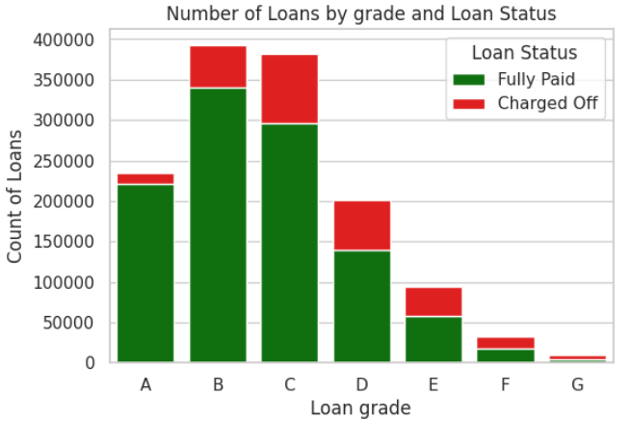
Description | LC assigned loan grade | Analyst input
 |  | 1. Although the data dictionary doesn't provide much insight about the loan grades, on exploring the variables it can be concluded that this variable has significance for classification and clustering. 2. Major proportion of loans of grades E, F and G are been charged off

grade loan_status count
A Fully Paid 220889 |  | Analyst suggestion
A Charged Off 14201 |  | The grade of loans can turn out to be a useful column both for clustering and classification
B Charged Off 52569
B Fully Paid 340172
C Charged Off 85649
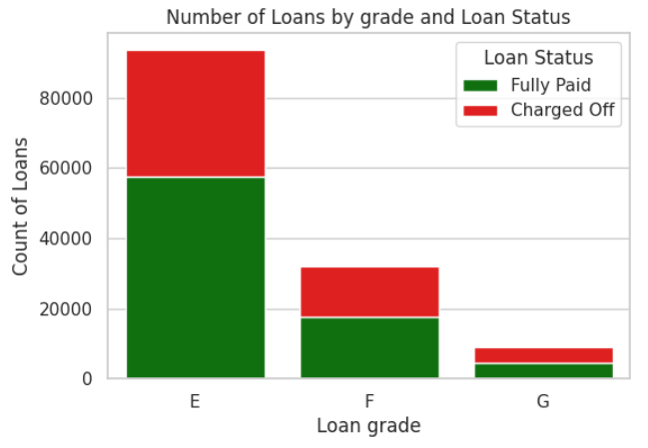
C Fully Paid 296037
D Fully Paid 139899
D Charged Off 61054
E Fully Paid 57615
E Charged Off 36035
F Fully Paid 17567
F Charged Off 14491
G Fully Paid 4572
G Charged Off 4560

